Blad1
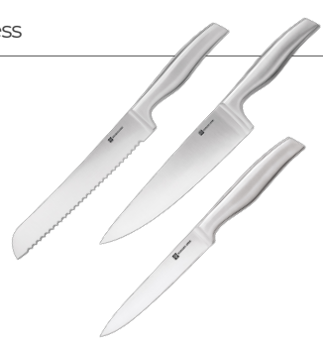
 | Brand | Art.Nr. | EAN | Description | CM | QTY | Retail
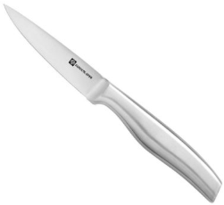 | Schulte Ufer® | 1101201 | 4262492120000 | PRO-SERIES SCHALMESSER PARING KNIFE | 9 CM | 300 | € 34.99
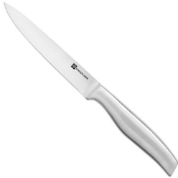 | Schulte Ufer® | 1101202 | 4262492120017 | PRO-SERIES UNIVERSALMESSER UTILITY KNIFE | 12 CM | 300 | € 34.99
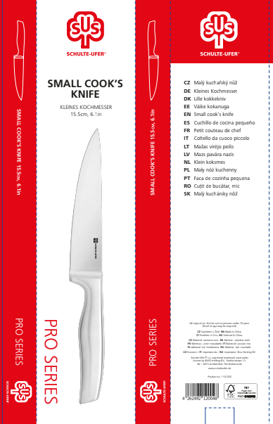
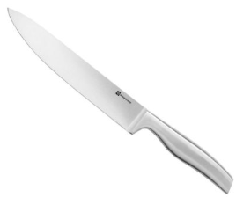 | Schulte Ufer® | 1101204 | 4262492120031 | PRO-SERIES TRANCHERMESSER CARVING KNIFE | 19 CM | 300 | € 44.99
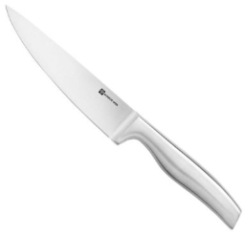 | Schulte Ufer® | 1101205 | 4262492120048 | PRO-SERIES KOCHMESSER KOMPAKT SMALL COOK'S KNIFE | 15 CM | 300 | € 44.99
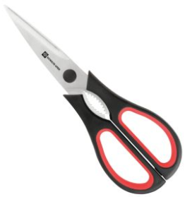 | Schulte Ufer® | 1101209 | 4262492120079 | PRO-SERIES UNIVERSALSCHERE SCISSORS | x | 300 | € 17.99
 |  |  |  |  |  | 1,500
